02_Woodworks_bookshelf
Woodworks Bookshell Co
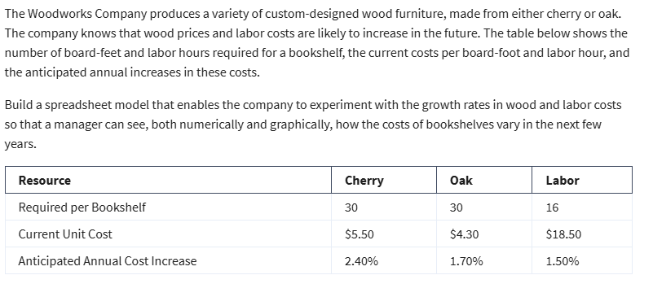
Costs | Cherry | Oak
Unit Costs | $5.50 | $4.30
Board Feet | 30 | 30
Materials Costs | $165.00 | $129.00

Labor required | $16.00 | $16.00
Labor rate | 18.5 | 18.5
Labor cost | $296.00 | $296.00

Total Cost | $461.00 | $425.00

Cost Increase | 2.40% | 1.70% | 1.50%

Year | Cherry | Oak | Labor | Total Cherry | Total Oak
0 | $165.00 | $129.00 | $296.00 | $461.00 | $425.00
1 | $168.96 | $131.19 | $300.44 | $469.40 | $431.63
2 | $173.02 | $133.42 | $304.95 | $477.96 | $438.37
3 | $177.17 | $135.69 | $309.52 | $486.69 | $445.21
Cost Projections
4 | $181.42 | $138.00 | $314.16 | $495.58 | $452.16
5 | $185.77 | $140.34 | $318.88 | $504.65 | $459.22

